Search-Table
PM670KAK-W7310WS | ⭠Please input the model name e.g. B1402CVA-NK7110X

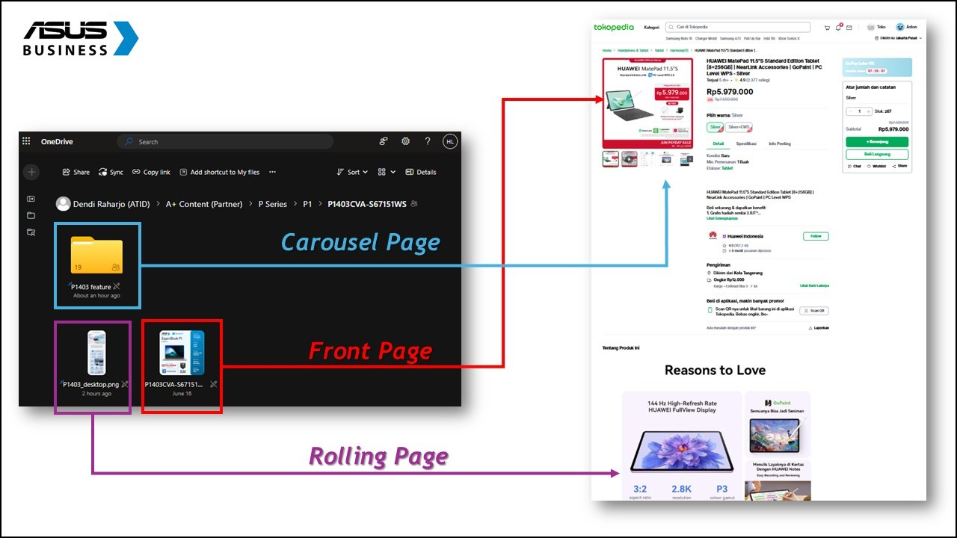
Product Name | ASUS ExpertCenter PM600 | Material Link | https://drive.google.com/drive/folders/1tSEQNubX0DITMOp4tH495afLQI4INGTT?usp=drive_link
Tagline | Trusted by IT Experts. Built for Worry-Free Business.
KSP | - Next-Gen Business AI Performance : Equipped with up to AMD Ryzen™ AI 7 processors and 50 TOPS NPU, delivering powerful AI-accelerated performance for real-time content creation and productivity tasks. - Designed for Hybrid Work Productivity : Optimized for Hybrid Modern WorkFlow with ASUS AI ExpertMeet and Immersive Dolby Audio for clearer communication and collaboration - Enterprise-Grade Security and Reliability : Advanced security with TPM 2.0, retractable privacy camera, and complete peace of mind with a 2-year full warranty plus Accidental Damage Protection. - Efficient Connectivity & Modern Design : Comprehensive I/O Port, Wi-Fi 7 support, and sleek all-in-one form factor optimized for constrained workspaces without sacrificing performance
Title | ASUS ExpertCenter P400 (i7-13620H/16GB/512GB/Win 11 Pro/PG440VAK)
CPU | Intel® Core™ i7-13620H 2.4 GHz
GPU | Intel® Graphics
OS | Windows 11 Pro
Panel Size | 23.8"
Reslolution | FHD (1920 x 1080) 16:9
Brightness | 250nits
RAM | DDR5 16GB
SSD | 512GB + 512GB M.2 NVMe™ PCIe® 4.0 SSD
IO Port | Side: 1x Kensington lock 1x 3.5mm combo audio jack 1x USB 2.0 Type-A Back: 1x DC-in 1x RJ45 Gigabit Ethernet 1x HDMI in 1.4 1x HDMI out 1.4 1x USB 3.2 Gen 1 Type-C 3x USB 3.2 Gen 1 Type-A
Weight (with Battery) | 06.90 kg
Size | 54.1 x 41.6 x 1.7 ~ 21.0 cm
Expansion Slot | 2x DDR5 SO-DIMM slot
Include in the box | Wired black keyboard (USB) Wired optical mouse (USB)
Battery | No Battery
Power Supply | ø4.5, 120W AC Adapter
Security | BIOS Booting User Password Protection HDD User Password Protection and Security Kensington Security Slot™(7x 3mm)

Dashboard
Summary Section |  |  |  |  | Incomplete KSP & Link Tracker
Total Products |  |  | 324 | 100% | Missing KSP |  | Missing Link
Total Completed |  |  | 99 | 31% | Total Incomplete | 55 | Total Incomplete | 209
Total Incompleted |  |  | 225 | 69% | Total Incomplete Rate | 17% | Total Incomplete Rate | 65%
 |  |  |  |  | Missing KSP Product List |  | Missing Link Product List

 |  |  |  |  | B3404CVF-Q55150X |  | PM1403CDA-S60091WS
 |  |  |  |  | B3402FBA-EC7150X |  | PM3406CKA-NZ7310WS
 |  |  |  |  | B1402CBA_ID-NK7850X |  | PM1403CDA-S65850WS
 |  |  |  |  | B3402FVA-EC7150X |  | CX3402CVA-PQ3820
 |  |  |  |  | B3404CVA-Q57150X |  | CX1405CKA-S64810
Chassis-Type-Level Summary (NX / AIO / PF) |  |  |  |  | B1400CBA-EK7850X |  | CX3402CVA-PQ5150
Chassis Type |  | NX | AIO | PF | B3402FVA-EC5851WS |  | CX3402CVA-PQ5820
Total Products |  | 99 | 141 | 83 | EG3408WVAK-BPC385W |  | D500SE-380500031W
Total Completed |  | 53 | 37 | 9 | EG3408WVAK-BPC585W |  | D500SE-382000031W
Total Completion Rate |  | 54% | 26% | 11% | EG3408WVAK-BPC585X |  | D500SE-382000031X
 | PM Completed | 60 | 46 | 9 | EG3408WVAK-BPC515W |  | D500SE-385000031W
 | PM Completed Rate | 61% | 33% | 11% | EG3408WVAK-BPC515X |  | D500SE-385000031X
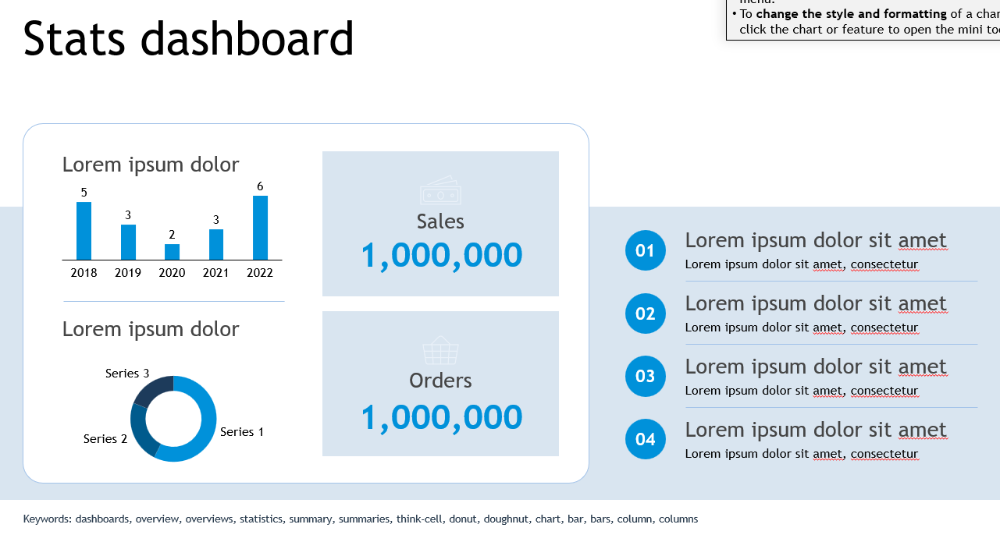
 | PMKT Completed | 60 | 129 | 80 | EG3408WVAK-BPC785W |  | D500SE-580500033W
 | PMKT Completed Rate | 61% | 91% | 96% | EG3408WVAK-BPC715W |  | D500SE-580520033W
 |  |  |  |  | EG3408WVAK-BPC715X |  | D500SE-585000031W
 |  |  |  |  | EG3408WVAK-BPC785X |  | D500SE-585000031X
 |  |  |  |  | PG440VAK-BPC001W |  | D500SE-785000033X
 |  |  | Total Products | 55 | E1600WKAT-BD182WF |  | D500TE-380500033W
 |  |  | Total Completed | 45 | P440VAK-B3851WS |  | D500TE-580500035W
 |  |  |  |  | S501ME-382000013W |  | D500TE-580500035X
 |  |  |  |  | S501ME-385000013W |  | D500TE-585000032W
 |  |  |  |  | S501ME-585000013W |  | D500TE-585000032X
 |  |  |  |  | B1402CVA-NK5151X |  | D500TE-780500035W
 |  |  |  |  | B3405CCA-LY7110X |  | D500TE-785000035W
 |  |  |  |  | B1403CVA-S67150X |  | D500TE-785000035X
 |  |  |  |  | B1403CVA-S67151X |  | D501SER-385000001W
 |  |  |  |  | B1402CBA-NK4149X |  | D501SER-385000001X
 |  |  |  |  | CX3402CVA-PQ3820N |  | D501SER-585000001W
 |  |  |  |  | B1403CVA-S65152X |  | D501SER-585000001X
 |  |  |  |  | PM3406CKA-NZ5150WS |  | D501SER-785000001W
 |  |  |  |  | B5405CCA-NZ5150X |  | D501SER-785000001X
 |  |  |  |  | BG1409CVA-S67150X |  | DG500MER-715X
 |  |  |  |  | BG1408CVA-EB5150X |  | S500SE-385000001W
 |  |  |  |  | PM3406CHA-LY0012WS |  | S500SE-585030000W
 |  |  |  |  | B5405CVA-NZ5150X |  | S500SE-715030000W
 |  |  |  |  | B3405CVA-LY7150X |  | S500TE-3131000300
 |  |  |  |  | BG1409CVA-S65150X |  | S500TE-382000002W
 |  |  |  |  | B3405CVA-LY5150X |  | S500TE-382000003W
 |  |  |  |  | B1400CBA-EK7150X |  | S500TE-382000013W
 |  |  |  |  | B1400CBA-EB5111X |  | S500TE-385000002W
 |  |  |  |  | B5402CBA-KI7110X |  | S500TE-585000002W
 |  |  |  |  | B1402CBA-NK5853WS |  | S500TE-585000050W
 |  |  |  |  | CX1405CTA-S65810 |  | S500TE-585030002W
 |  |  |  |  | BG1409CVA-S67850X |  | S500TE-715030000W
 |  |  |  |  | B1400CBA-EB7111X |  | S500TE-715030002W
 |  |  |  |  | B5405CVA-NZ7110X |  | S500TE-785000000W
 |  |  |  |  | B1403CVA-S65853X |  | S500TE-785030002W
 |  |  |  |  | B3405CCA-LY5150X |  | S501MER-385000003W
 |  |  |  |  | B5402FBA-HY7110WS |  | S501MER-585000003W
 |  |  |  |  | B1402CBA_ID-NK7850X |  | S501MER-585000003W
 |  |  |  |  | PM1403CDA-S65150WS |  | S501MER-785000005W
 |  |  |  |  | B5405CCA-NZ7310X |  | S503MER-385018WS
 |  |  |  |  | B5402FBA-HY7110X |  | S503MER-585018WS
 |  |  |  |  | B5302FBA-LG7110X |  | S503MER-785033WS
 |  |  |  |  |  |  | PG440VAK-BPC385W
 |  |  |  |  |  |  | PG440VAK-BPC585W
 |  |  |  |  |  |  | PG440VAK-BPC515W
 |  |  |  |  |  |  | PG440VAK-BPC711W
 |  |  |  |  |  |  | PG440VAK-BPC585X
 |  |  |  |  |  |  | PG440VAK-BPC515X
 |  |  |  |  |  |  | PG440VAK-BPC711X
 |  |  |  |  |  |  | PG500MV-385W
 |  |  |  |  |  |  | PG500MV-715W
 |  |  |  |  |  |  | PG500MV-7116W
 |  |  |  |  |  |  | PG500MV-585W
 |  |  |  |  |  |  | PG500MV-585X
 |  |  |  |  |  |  | PG440VAK-BPC001W
 |  |  |  |  |  |  | E1600WKAT-BD182WF
 |  |  |  |  |  |  | A3402WVAK-WPC515WS
 |  |  |  |  |  |  | A3402WVAT-WPD515WS
 |  |  |  |  |  |  | A3402WVAT-WPD715WS
 |  |  |  |  |  |  | A3202WBAK-WPB382W
 |  |  |  |  |  |  | A3202WBAK-WPB385W
 |  |  |  |  |  |  | A3202WBAK-WPB585W
 |  |  |  |  |  |  | A3402WBAK-WPC515WS
 |  |  |  |  |  |  | A3402WBAT-WPD515WS
 |  |  |  |  |  |  | A3402WBAK-WPC715WS
 |  |  |  |  |  |  | A3402WBAT-WPD715WS
 |  |  |  |  |  |  | M3402WFAK-WPC511WS
 |  |  |  |  |  |  | A3202WVAK-WPB385WS
 |  |  |  |  |  |  | A3402WVAK-WPC385WS
 |  |  |  |  |  |  | A3202WVAK-WPB585WS
 |  |  |  |  |  |  | A3402WVAK-WPC515WS
 |  |  |  |  |  |  | A3402WVAT-WPD515WS
 |  |  |  |  |  |  | A3402WVAK-WPC715WS
 |  |  |  |  |  |  | A3402WVAT-WPD715WS
 |  |  |  |  |  |  | A5402WVART-WPD711WS
 |  |  |  |  |  |  | A5702WVART-BPF731WS
 |  |  |  |  |  |  | M3402WFAK-WPC385WS
 |  |  |  |  |  |  | M3402WFAK-WPC511WS
 |  |  |  |  |  |  | E3402WVAK-BPC785X
 |  |  |  |  |  |  | E3402WVAK-BPC585X
 |  |  |  |  |  |  | A3402WVAK-WPC5151WS
 |  |  |  |  |  |  | A3402WVAK-WPC7151WS
 |  |  |  |  |  |  | A3202WBAK-BPB3820W
 |  |  |  |  |  |  | A3202WBAK-BPB3850W
 |  |  |  |  |  |  | A3402WVAK-WPC5850WS
 |  |  |  |  |  |  | A3202WVAK-BPB5850WS
 |  |  |  |  |  |  | E1600WKAT-BMR182W
 |  |  |  |  |  |  | P440VAK-B3851WS
 |  |  |  |  |  |  | E3202WBAK-BA3805W
 |  |  |  |  |  |  | E3402WBAK-BA5805W
 |  |  |  |  |  |  | E3202WBAK-BA385W
 |  |  |  |  |  |  | E3202WBAK-BA585W
 |  |  |  |  |  |  | E3402WBAK-BA785W
 |  |  |  |  |  |  | E3402WVAK-BP585WS
 |  |  |  |  |  |  | E3402WVAK-BPC585WS
 |  |  |  |  |  |  | E3402WVAK-BPC785WS
 |  |  |  |  |  |  | A3202WBAK-WA585W
 |  |  |  |  |  |  | A3202WBAK-WA382W
 |  |  |  |  |  |  | A3202WBAK-WA385W
 |  |  |  |  |  |  | A3402WBAK-WA585WS
 |  |  |  |  |  |  | A3402WBAK-WA715WS
 |  |  |  |  |  |  | A3202WVAK-WPB382WS
 |  |  |  |  |  |  | P440VAK-B5851WS
 |  |  |  |  |  |  | P440VAK-B5151WS
 |  |  |  |  |  |  | P440VAK-W5851WS
 |  |  |  |  |  |  | P440VAK-W5151WS
 |  |  |  |  |  |  | P440VAK-B7851WS
 |  |  |  |  |  |  | P440VAK-W7851WS
 |  |  |  |  |  |  | P440VAK-W7151WS
 |  |  |  |  |  |  | P440VAT-B5151WS
 |  |  |  |  |  |  | P440VAT-W5151WS
 |  |  |  |  |  |  | P440VAT-B7151WS
 |  |  |  |  |  |  | P440VAT-W7151WS
 |  |  |  |  |  |  | P470VAK-B7151WS
 |  |  |  |  |  |  | P470VAK-B5151WS
 |  |  |  |  |  |  | P470VAT-B7151WS
 |  |  |  |  |  |  | P470VAT-W7151WS
 |  |  |  |  |  |  | P470VAT-B5151WS
 |  |  |  |  |  |  | P440VAK-W3851WS
 |  |  |  |  |  |  | P470VAT-B7110WSH
 |  |  |  |  |  |  | P470VAT-W7110WSH
 |  |  |  |  |  |  | S500TE-585000003W
 |  |  |  |  |  |  | S500TE-785030000W
 |  |  |  |  |  |  | S501ME-382000013W
 |  |  |  |  |  |  | S501ME-385000013W
 |  |  |  |  |  |  | S501ME-585000013W
 |  |  |  |  |  |  | S503MER-585033WS
 |  |  |  |  |  |  | P500MV-3850181WS
 |  |  |  |  |  |  | P500MV-5850331WS
 |  |  |  |  |  |  | P500MV-7850331WS
 |  |  |  |  |  |  | S503MER-3850331WS
 |  |  |  |  |  |  | S503MER-5850331WS
 |  |  |  |  |  |  | S503MER-7850501WS
 |  |  |  |  |  |  | B1402CVA-NK5151X
 |  |  |  |  |  |  | B3405CCA-LY7110X
 |  |  |  |  |  |  | B1403CVA-S67150X
 |  |  |  |  |  |  | B1403CVA-S67151X
 |  |  |  |  |  |  | B1402CBA-NK4149X
 |  |  |  |  |  |  | CX3402CVA-PQ3820N
 |  |  |  |  |  |  | B1403CVA-S65152X
 |  |  |  |  |  |  | PM3406CKA-NZ5150WS
 |  |  |  |  |  |  | B5405CCA-NZ5150X
 |  |  |  |  |  |  | BG1409CVA-S67150X
 |  |  |  |  |  |  | BG1408CVA-EB5150X
 |  |  |  |  |  |  | PM3406CHA-LY0012WS
 |  |  |  |  |  |  | B5405CVA-NZ5150X
 |  |  |  |  |  |  | B3405CVA-LY7150X
 |  |  |  |  |  |  | BG1409CVA-S65150X
 |  |  |  |  |  |  | B3405CVA-LY5150X
 |  |  |  |  |  |  | B1400CBA-EK7150X
 |  |  |  |  |  |  | B1400CBA-EB5111X
 |  |  |  |  |  |  | B5402CBA-KI7110X
 |  |  |  |  |  |  | B1402CBA-NK5853WS
 |  |  |  |  |  |  | CX1405CTA-S65810
 |  |  |  |  |  |  | BG1409CVA-S67850X
 |  |  |  |  |  |  | B1400CBA-EB7111X
 |  |  |  |  |  |  | B5405CVA-NZ7110X
 |  |  |  |  |  |  | B1403CVA-S65853X
 |  |  |  |  |  |  | B3405CCA-LY5150X
 |  |  |  |  |  |  | B5402FBA-HY7110WS
 |  |  |  |  |  |  | B1402CBA_ID-NK7850X
 |  |  |  |  |  |  | PM1403CDA-S65150WS
 |  |  |  |  |  |  | B5405CCA-NZ7310X
 |  |  |  |  |  |  | B5402FBA-HY7110X
 |  |  |  |  |  |  | B5302FBA-LG7110X
 |  |  |  |  |  |  | P440VAK-B3821W
 |  |  |  |  |  |  | P440VAK-B3851W
 |  |  |  |  |  |  | PM640KAK-B5150WS
 |  |  |  |  |  |  | A3202WBAK-BPB1850W
 |  |  |  |  |  |  | PM640KAK-B7150WS
 |  |  |  |  |  |  | PM640KAK-W5150WS
 |  |  |  |  |  |  | P440VAK-B5852WS
 |  |  |  |  |  |  | P440VAK-B5152WS
 |  |  |  |  |  |  | P440VAK-W5852WS
 |  |  |  |  |  |  | P440VAT-B5852WS
 |  |  |  |  |  |  | P440VAK-B7852WS
 |  |  |  |  |  |  | P440VAK-B7152WS
 |  |  |  |  |  |  | P440VAK-W7852WS
 |  |  |  |  |  |  | P440VAT-W7852WS
 |  |  |  |  |  |  | P470VAK-W7852WS
 |  |  |  |  |  |  | P470VAT-B7152WS
 |  |  |  |  |  |  | P470VAT-W7152WS
 |  |  |  |  |  |  | P470VAT-B7112WSH
 |  |  |  |  |  |  | P470VAT-W7112WSH
 |  |  |  |  |  |  | P470VAK-B5852WS
 |  |  |  |  |  |  | P470VAT-B5852WS
 |  |  |  |  |  |  | P500SV-3850181WS
 |  |  |  |  |  |  | P500MV-5850332WS
 |  |  |  |  |  |  | P500MV-5850332X
 |  |  |  |  |  |  | P500SV-5850182WS
 |  |  |  |  |  |  | P500SV-7850182WS
 |  |  |  |  |  |  | P500MV-7850332WS
 |  |  |  |  |  |  | P500MV-7850332X
 |  |  |  |  |  |  | P500MV-3850182WS
 |  |  |  |  |  |  | P500SV-3850182WS
 |  |  |  |  |  |  | P500MV-3850182X

